About
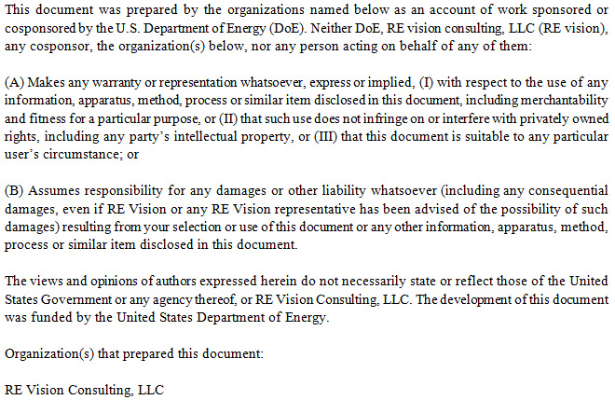
Cost Breakdown Structure for Wave Energy Device

Created by |  | Mirko Previsic
Company |  | RE Vision Consulting, LLC
Contact |  | mirko@re-vision.net
Date |  | 2012-08-07

Comments/Notes
 | 1. This spreadsheet provides the background and details of the cost and economic assessment of the Wave Energy Device
 | 2. This spreadsheet supports the primary reports on the Wave Energy device
 | 3. Cost Estimates provided herein are based on concept design and engineering data and have high levels of uncertainties embedded

Disclaimer

Report Graphs
# of Units | 1 | 10 | 50 | 100
Installed Capacity (kW) | 286 | 2860 | 14300 | 28600
Installed Capacity (MW) | 0.286 | 2.86 | 14.3 | 28.6

 | Development | Infrastructure | Mooring/Foundation | Device Structural Components | Power Take Off | Subsystem Integration & Profit Margin | Installation | Contingency
1 | $4,553 | $990 | $525 | $2,939 | $623 | $356 | $5,909 | $1,590
10 | $8,774 | $4,860 | $4,723 | $20,675 | $4,937 | $2,561 | $9,082 | $5,561
50 | $11,003 | $7,566 | $23,615 | $91,548 | $21,685 | $11,323 | $21,531 | $18,827
100 | $10,820 | $17,310 | $47,230 | $177,933 | $41,284 | $21,922 | $37,860 | $35,436

 | Development | Infrastructure | Mooring/Foundation | Device Structural Components | Power Take Off | Subsystem Integration & Profit Margin | Installation | Contingency
1 | $15,920 | $3,460 | $1,830 | $10,280 | $2,180 | $1,250 | $20,660 | $5,560
10 | $3,070 | $1,700 | $1,650 | $7,230 | $1,730 | $900 | $3,180 | $1,940
50 | $770 | $530 | $1,650 | $6,400 | $1,520 | $790 | $1,510 | $1,320
100 | $380 | $610 | $1,650 | $6,220 | $1,440 | $770 | $1,320 | $1,240

 | Development | Infrastructure | Mooring/Foundation | Device Structural Components | Power Take Off | Subsystem Integration & Profit Margin | Installation | Contingency
10 | 14.1 | 7.8 | 7.6 | 33.2 | 7.9 | 4.1 | 14.6 | 8.9
50 | 3.5 | 2.4 | 7.6 | 29.4 | 7.0 | 3.6 | 6.9 | 6.0
100 | 1.7 | 2.8 | 7.6 | 28.6 | 6.6 | 3.5 | 6.1 | 5.7

 | Insurance | Environmental Monitoring & Regulatory Compliance | Marine Operations | Shoreside Operations | Replacement Parts | Consumables
1 | $227 | $710 | $27 | $142 | $54 | $8
10 | $937 | $1,121 | $266 | $400 | $491 | $80
50 | $1,773 | $1,121 | $562 | $455 | $2,305 | $400
100 | $1,718 | $1,121 | $1,125 | $675 | $3,921 | $800

 | Insurance | Environmental Monitoring & Regulatory Compliance | Marine Operations | Shoreside Operations | Replacement Parts | Consumables
1 | $790 | $2,480 | $90 | $490 | $190 | $30
10 | $330 | $390 | $90 | $140 | $170 | $30
50 | $120 | $80 | $40 | $30 | $160 | $30
100 | $60 | $40 | $40 | $20 | $140 | $30

 | Insurance | Environmental Monitoring & Regulatory Compliance | Marine Operations | Shoreside Operations | Replacement Parts | Consumables
10 | 13.4 | 16.0 | 3.8 | 5.7 | 7.0 | 1.1
50 | 5.1 | 3.2 | 1.6 | 1.3 | 6.6 | 1.1
100 | 2.5 | 1.6 | 1.6 | 1.0 | 5.6 | 1.1

 | Device | Infrastructure | Development | Installation | Contingency | Operation and Maintenance
10 | 52.8 | 7.8 | 14.1 | 14.6 | 8.9 | 47.0
50 | 47.6 | 2.4 | 3.5 | 6.9 | 6.0 | 18.9
100 | 46.3 | 2.8 | 1.7 | 6.1 | 5.7 | 13.4

Sensitvity Graphs

Mean Wave Height (m) | Wave Power Density (kW/m) | LCoE - cents/kWh
1.5 | 10.4 | 160.9
1.7 | 14.4 | 126.7
1.9 | 19.3 | 102.5
2.1 | 25.0 | 84.7
2.3 | 31.7 | 71.2
2.5 | 39.4 | 60.8
2.7 | 48.2 | 52.5
2.9 | 58.1 | 45.8
3.1 | 69.2 | 40.3

1.5 | 160.88775532
1.7 | 126.74104632
1.9 | 102.52943611
2.1 | 84.723318179
2.3 | 71.236024866
2.5 | 60.76860625
2.7 | 52.477555644
2.9 | 45.795451835
3.1 | 40.329008403

10.39096778 | 160.88775532
14.407267528 | 126.74104632
19.262078742 | 102.52943611
25.014411739 | 84.723318179
31.720897876 | 71.236024866
39.436100651 | 60.76860625
48.212762714 | 52.477555644
58.102006055 | 45.795451835
69.153497062 | 40.329008403

Value | 36.6 | 43.907130154 | 51.253799642 | 58.600469129 | 65.947138616 | 73.293808104 | 80.640477591 | 87.987147079 | 95.333816566 | 102.68048605 | 110.02715554 | 117.37382503 | 124.72049452 | 132.067164 | 139.41383349 | 146.76050298 | 154.10717246 | 161.45384195 | 168.80051144 | 176.14718093
% | 0% | 0% | 4% | 17% | 36% | 55% | 70% | 80% | 88% | 92% | 95% | 97% | 99% | 100% | 100% | 100% | 100% | 100% | 100% | 100%

RESULTS
% | Value
10% | 54.81
50% | 71.34
90% | 99.16

36.560460667 | 0% | 54.81 | 0% | 99.16 | 0%
43.907130154 | 0% | 54.81 | 100% | 99.16 | 100%
51.253799642 | 4%
58.600469129 | 17%
65.947138616 | 36%
73.293808104 | 55%
80.640477591 | 70%
87.987147079 | 80%
95.333816566 | 88%
102.68048605 | 92%
110.02715554 | 95%
117.37382503 | 97%
124.72049452 | 99%
132.067164 | 100%
139.41383349 | 100%
146.76050298 | 100%
154.10717246 | 100%
161.45384195 | 100%
168.80051144 | 100%
176.14718093 | 100%

1.2
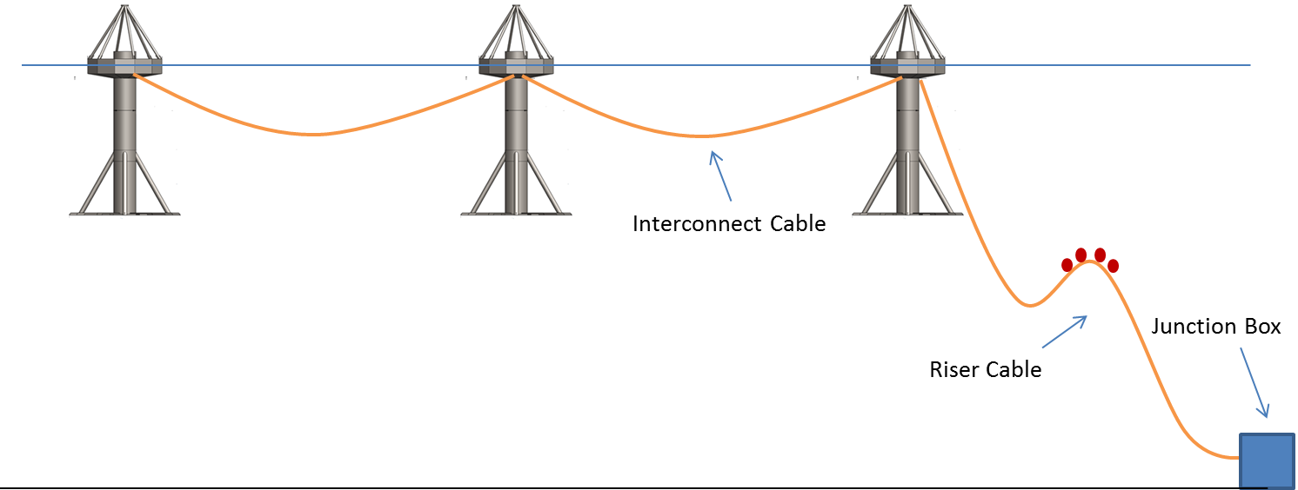
1.2 Infrastructure

Cost Summary |  |  | Units | 1 | 10 | 50 | 100
 | 1.2.1 | Subsea Cables |  | $900,000 | $900,000 | $3,360,000 | $8,700,000
 | 1.2.2 | Terminations and Connectors |  | $90,000 | $90,000 | $336,000 | $870,000
 | 1.2.3 | Dockside Improvements |  | $0 | $0 | $0 | $0
 | 1.2.4 | Dedicated O&M Vessel |  | $0 | $3,870,000 | $3,870,000 | $7,740,000
 | 1.2.5 | Other

 |  | Totals |  | $990,000 | $4,860,000 | $7,566,000 | $17,310,000

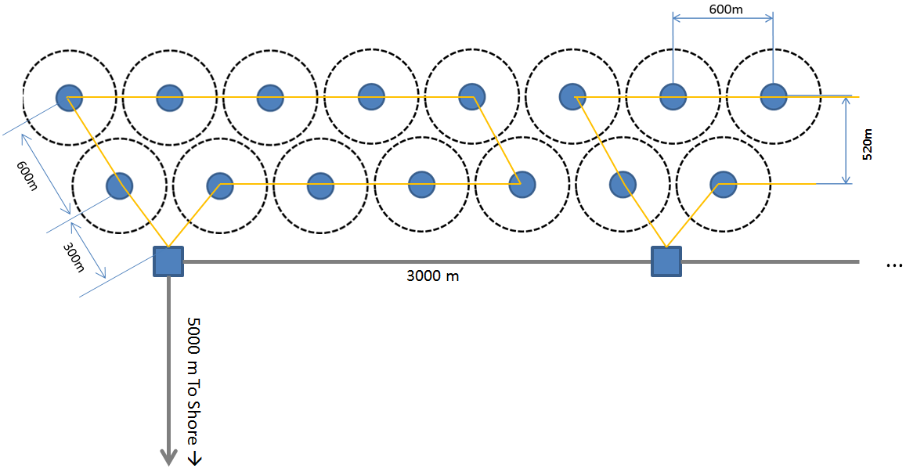
1.2.1 Subsea Cables |  |  |  | # | Units
 |  |  | 1 | 10 | 50 | 100
 | Capacity
 |  | Unit Capacity (kW) | 350 | 350 | 350 | 350
 |  | Plant Capacity (MW) | 0 | 4 | 18 | 35
 |  | Target Cable Capacity incl. 20% contingency (MW) | 0 | 4 | 21 | 42

 | Determining Trunk-cable length, shore to first junction box
 |  | Site Distance to shore | 5,000 | 5000 | 5000 | 5000
 |  | Array Cable | 0 | 0 | 9000 | 24000
 |  | Contingency Cable Length incl. 20% Contingency (m) | 6,000 | 6,000 | 16,800 | 34,800

 | Inter-Device Cable Length
 |  | Per Device Cable Length | 800 | 800 | 800 | 800
 |  | Total Cable Length | 800 | 8000 | 40000 | 80000

 | Subsea Cable Cost
 |  | Trunk Cable Cost ($/m) | $150 | $150 | $200 | $250
 |  | Inter-Device Cable Cost (included in 1.5) | $- | $- | $- | $-

 | Total Cost
 |  | Trunck Cable | $900,000 | $900,000 | $3,360,000 | $8,700,000
 |  | Inter-Device Cable | $- | $- | $- | $-

 |  | Total | $900,000 | $900,000 | $3,360,000 | $8,700,000

1.2.2 Terminations and Connectors
 |  |  | 1-Unit | 10-Units | 50-Units | 100-Units

 |  | 10% of Subsea Cable Cost | $90,000 | $90,000 | $336,000 | $870,000

 |  | Cost | $90,000 | $90,000 | $336,000 | $870,000

1.2.3 Dockside Improvements
 |  |  | 1-Unit | 10-Units | 50-Units | 100-Units

 |  | None

 |  | Cost | $0 | $0 | $0 | $0

1.2.4 Dedicated O&M Vessel
 |  |  | 1-Unit | 10-Units | 50-Units | 100-Units
 | Notes:
 | - Ship Conversion including: (1) DP-1, Crane, Whinch, Delivery etc.
 | - Using new vessel, values come in between $4.09M and $5.65M
 | - Using used vessel, values are estimated between $2.09M and $3.1M

 |  | Vessel |  | $3,870,000 | $3,870,000 | $7,740,000

 |  | Cost | $0 | $3,870,000 | $3,870,000 | $7,740,000

Cost Estimating Notes
 | 1.2.1 | Rough Estimates were used for subsea cable cost
 | 1.2.2 | Terminations and Connectors are difficult to estimate without a detailed design effort. Estimated them as 10% of Cable cost
 | 1.2.3 | Not estimated, but included in project contingency
 | 1.2.4 | See notes above

Data Sources
 | 1.2.1 | RE Vision
 | 1.2.2 | RE Vision
 | 1.2.3 | RE Vision
 | 1.2.4 | RE Vision

